Notes
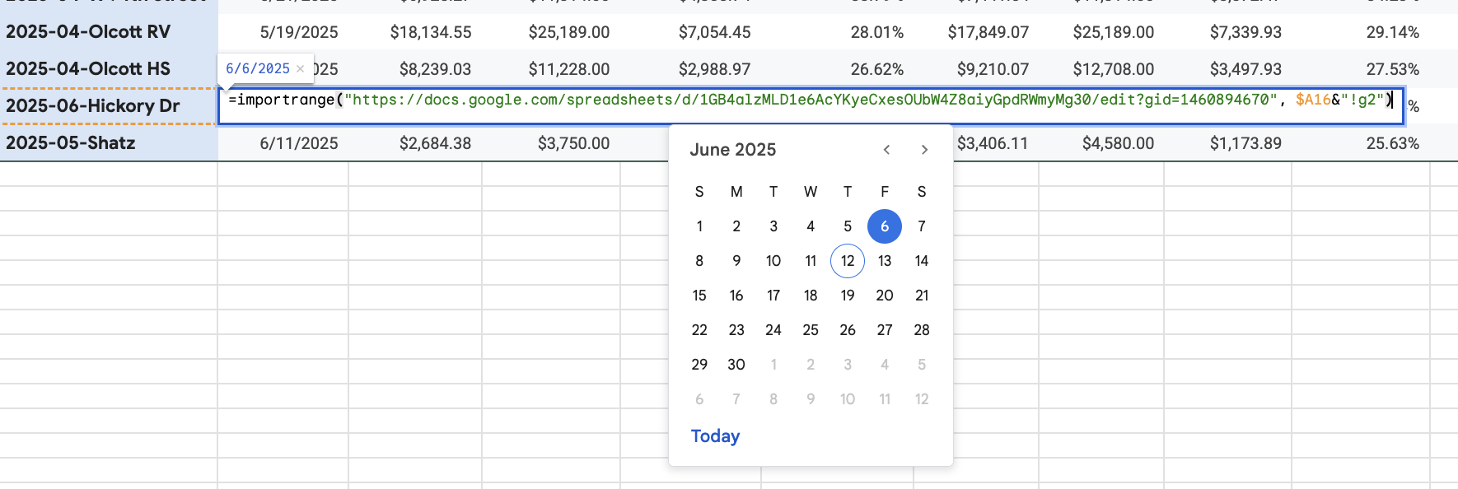
STEP 1: | Create a new folder in the Jobs folder and make a copy of this spreadsheet and move it there\
STEP 2: | Rename the spreadsheet and the "YYYY-MM-JobName" tab to the job, and update the BLUF Job Name and Client Name
STEP 3: | Use calculator tabs to get ball park pricing and costs
STEP 4: | Fill out yellow cells in columns B and C in the YYYY-MM-JobName tab to start to shape overal job and service pricing
 | NOTE: if this project is NOT RealVitalize, you can delete the fees in row 49 so they are not calculated in totals
STEP 5: | Fine tune the pricing
STEP 6: | Use this notes tab for any relevant project notes or screenshots of client / contractor communication

 | Copy and paste for Sq/Ft on quote pricing tab from FF: |  |  | <<<

ADDING TO HOMEStretch main sheet Summary tab
Step 1 | Copy this>>> | 2026-02-188 Goodview Dr Valpo
 | NOTE: Automatically updates as job status changes

Step 2 | And paste it in to the next cell in the first column

Step 3 | Copy the formulas from a previous line to the new row

Step 4 | Replace the URL in the formula with this URL>>> |  | https://docs.google.com/spreadsheets/d/1tbO0WdyDQk6NRC9XDY9jYCF6K9fidF4mJzrQkPUa6_E/edit
 | NOTE: See below, you replace the URL between the "quotes", the stuff after the comma can stay the same

Sherwin Cost Sheet
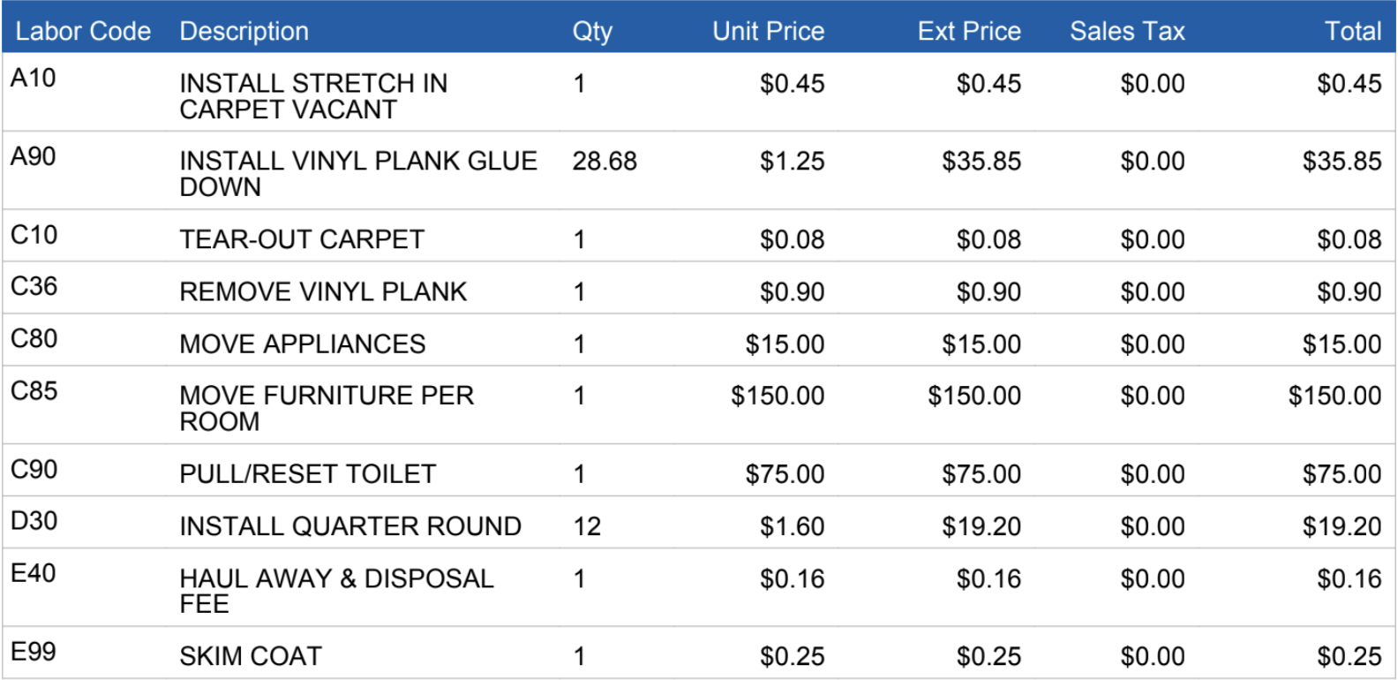
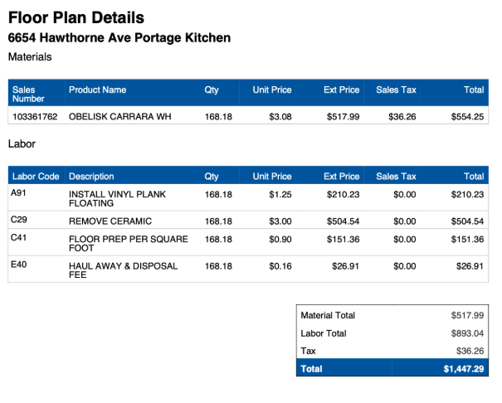

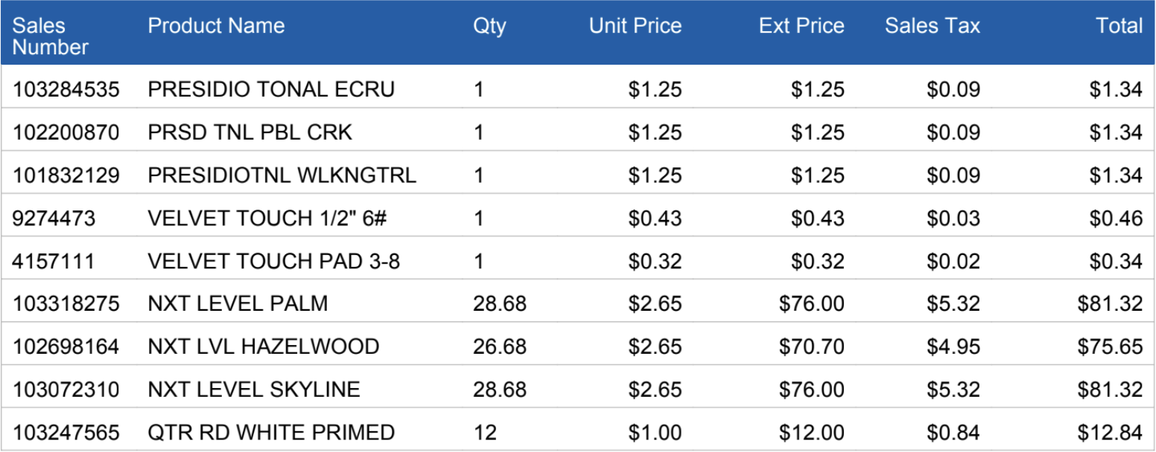

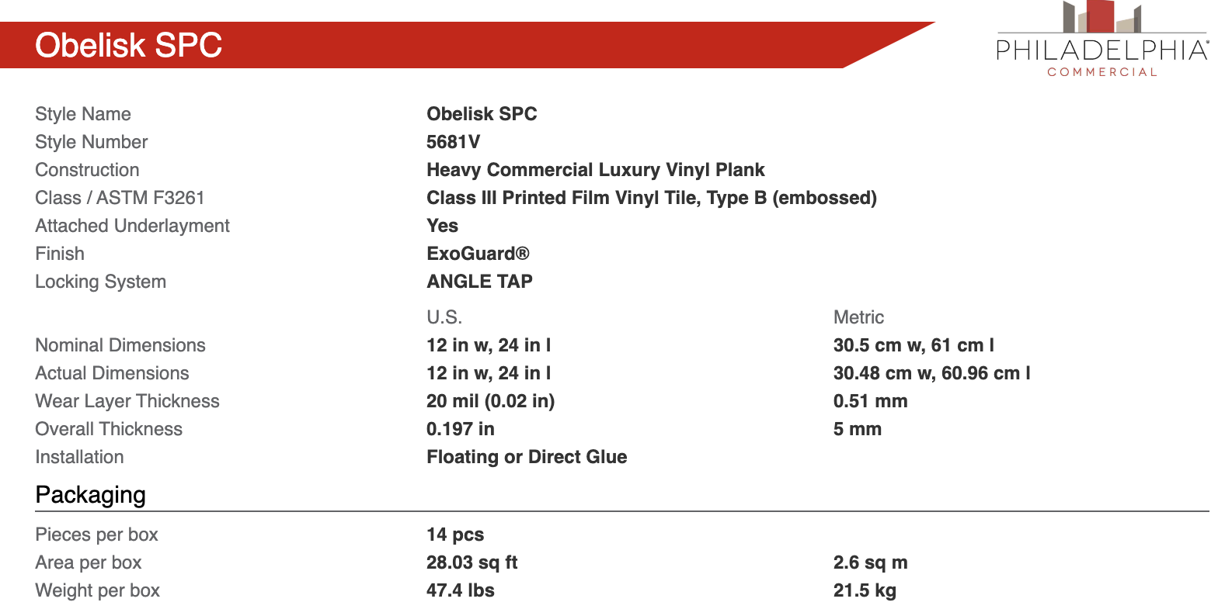

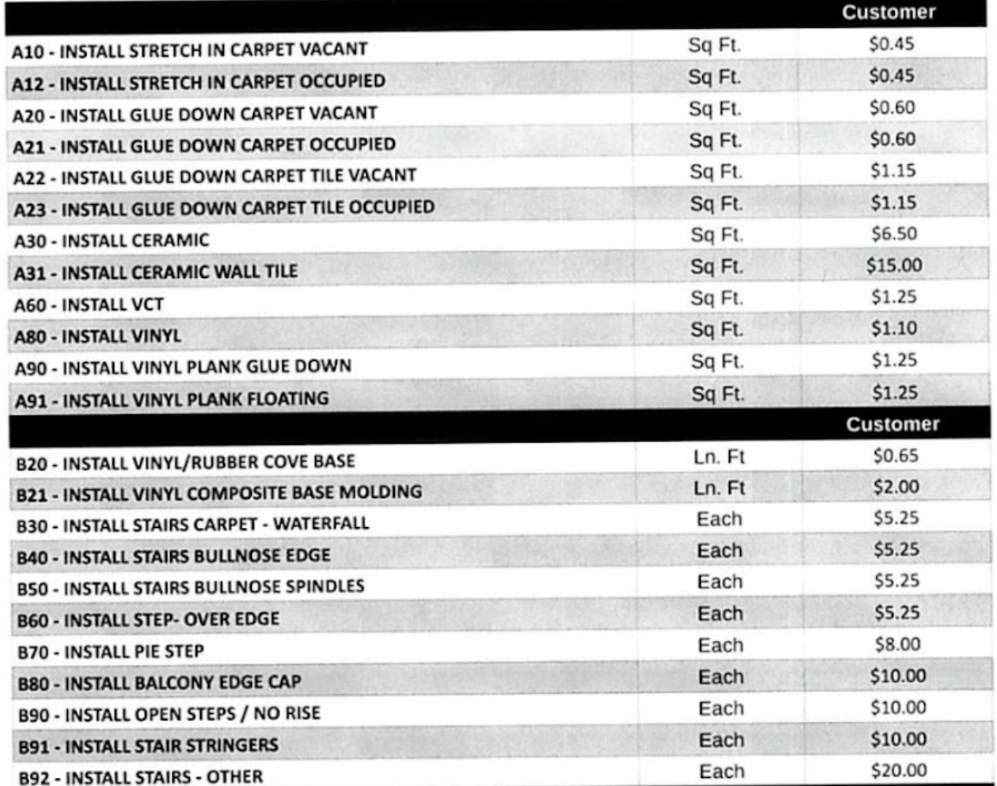

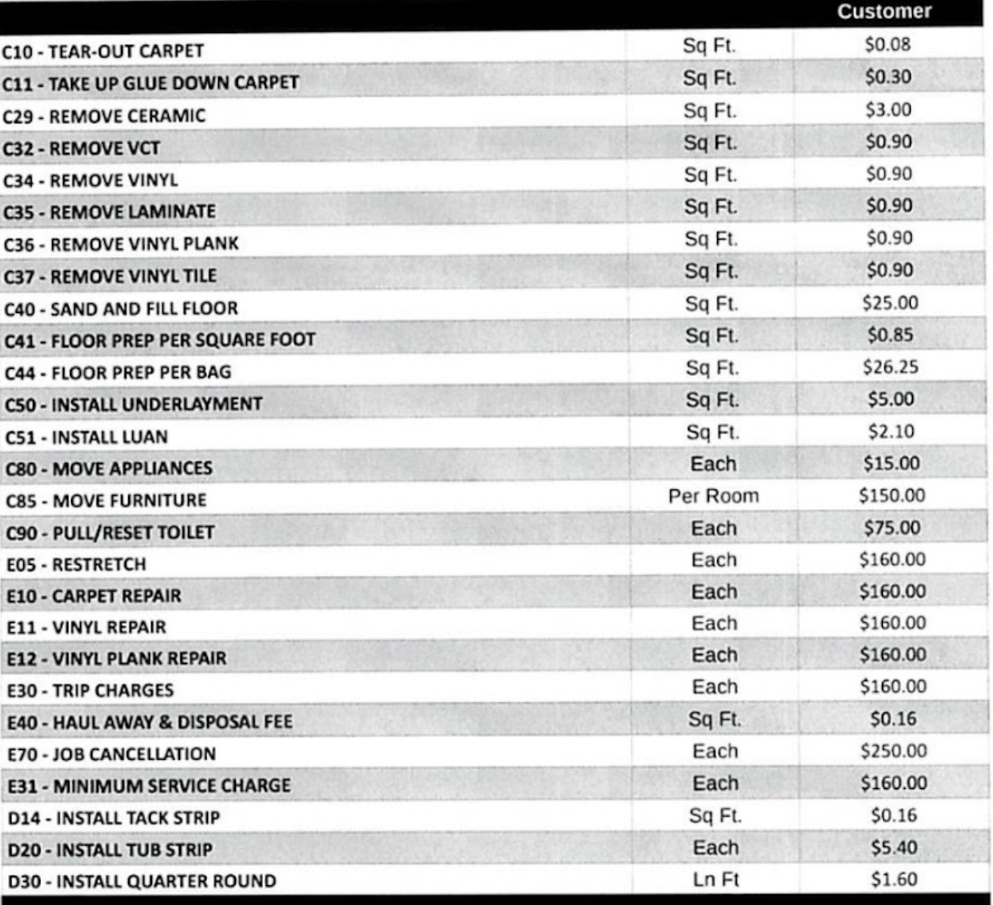

Landscape Pricing Calculator
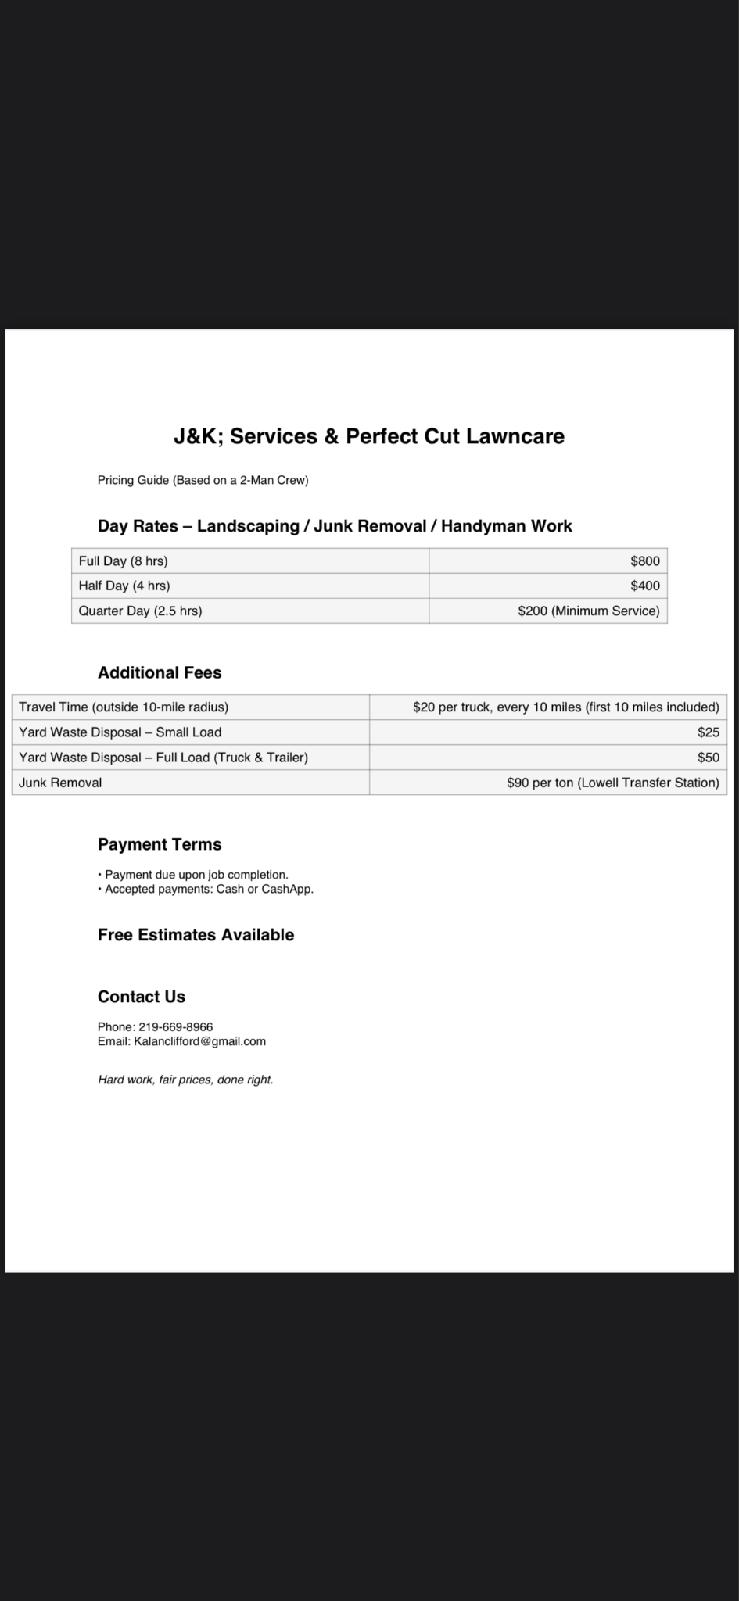
Mulch | $2.50 | 0 | $0.00
Uhaul utility trailer | $40.00 | 0 | $0.00
Republc Services - Per ton | $116.00 | 0 | $0.00
Niemeyer's dump fee | $50.00 | 0 | $0.00 |  |  | Niemeyer's dump fee
40 yd dump / 125 deliver / 575 | $700.00 | 0 | $0.00 |  |  | $145 for a full dump truck, maybe $50 for a pick up truck

 | Rate | Guys | Days | Total
Labor per guy per day | $200 | 0 | 0 | $0

 |  |  |  | Total Materials | $0.00
 |  |  |  | Total Labor | $0

 |  |  |  | Total Cost | $0
 |  |  |  | Margin | 40%

 |  |  |  |  | Net | HS List | RV List
 |  |  |  | Napkin Total | $0.00 | $0.00 | $0.00
 |  |  |  | HS Juice ONLY | $0.00
 |  |  |  | RV + HS Juice | $0.00

 |  |  |  | Estimated Profit | $0.00

